Grant Restrictions
Team Grant Restrictions
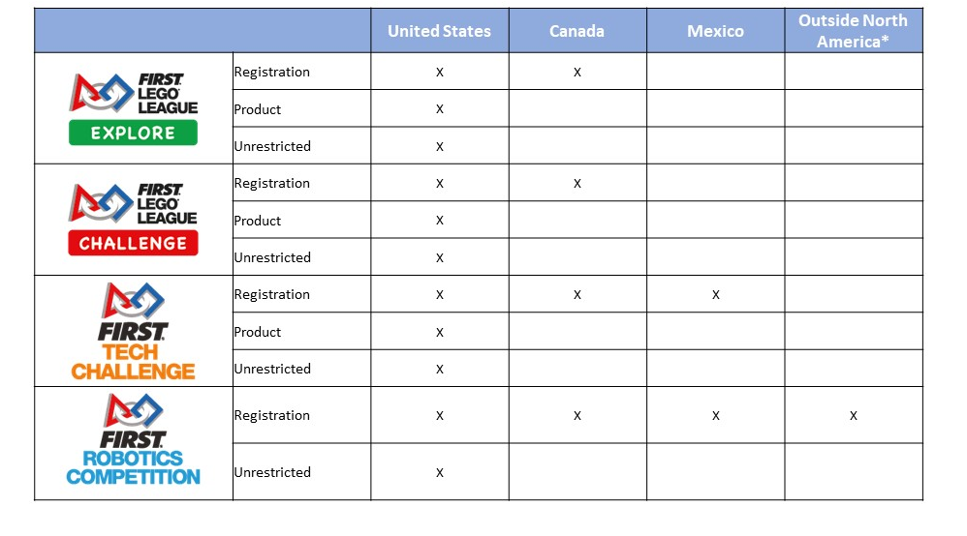

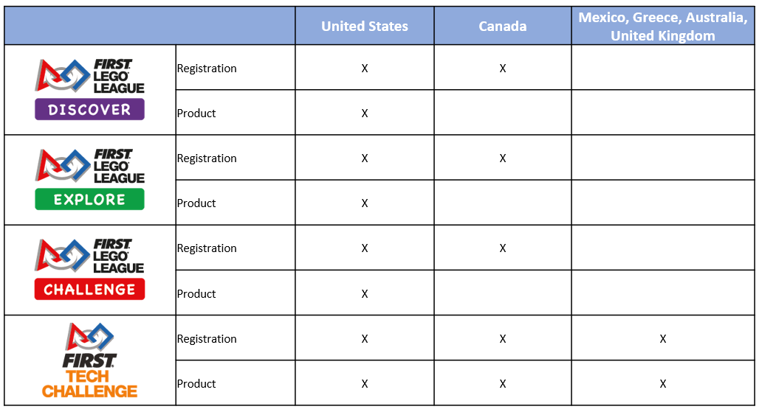
Class Pack Restrictions

